Dashboard_Visuals
Innovation Hub · Dashboard Visuals


 | Total ID

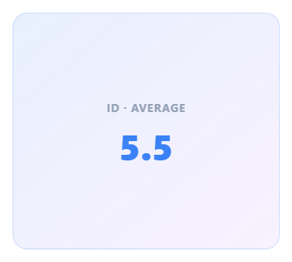
 | Avg ID

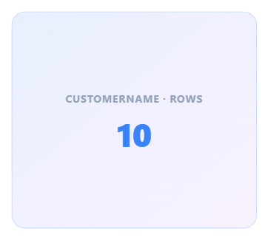
 | Row Count

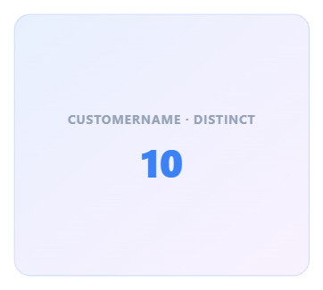
 | Distinct CustomerName

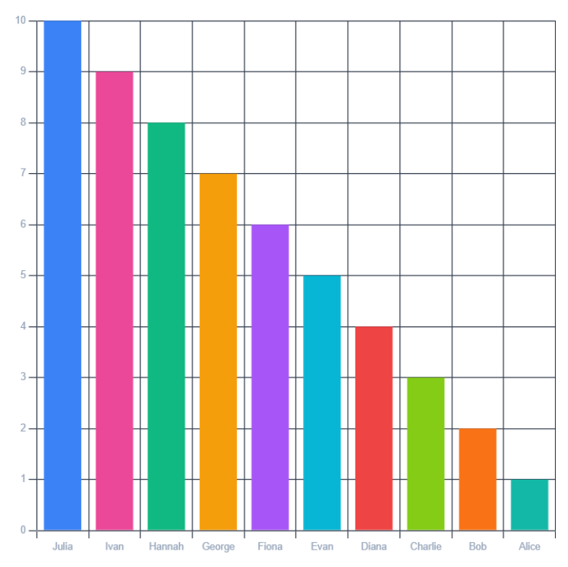
 | bar

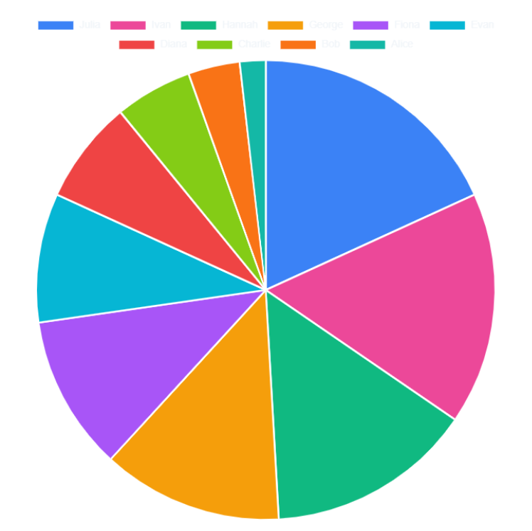
 | pie

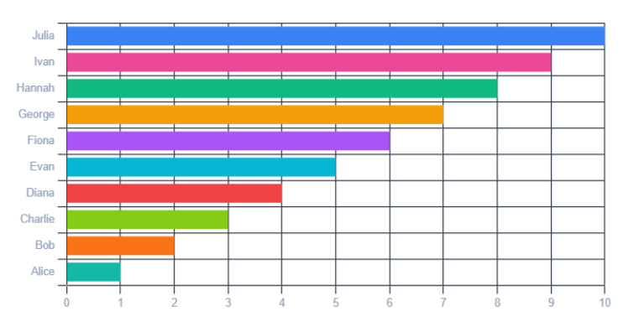
 | Horizontal Bar · by CustomerName

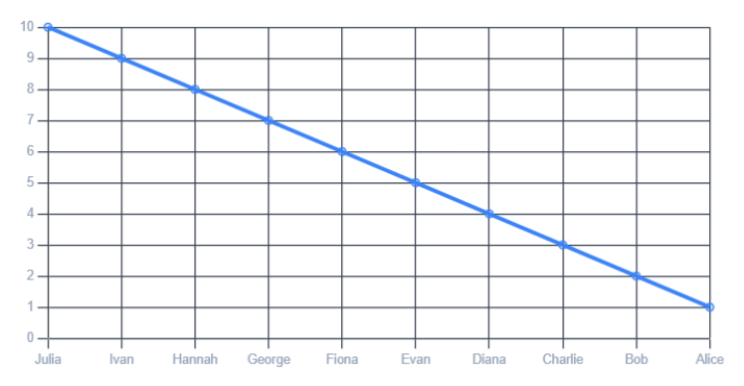
 | Line · by CustomerName

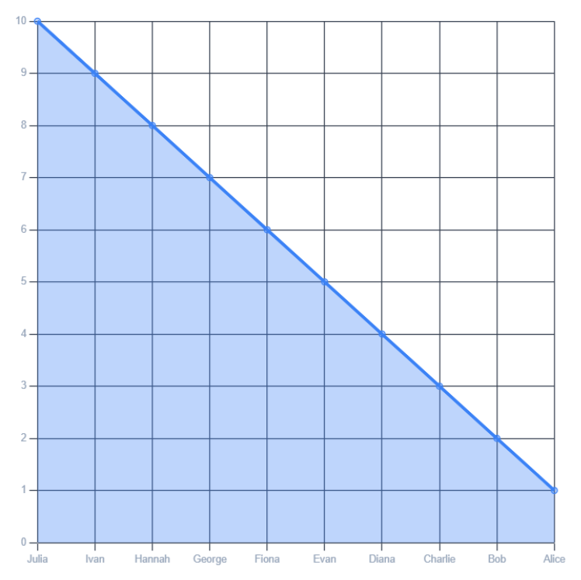
 | Area · by CustomerName

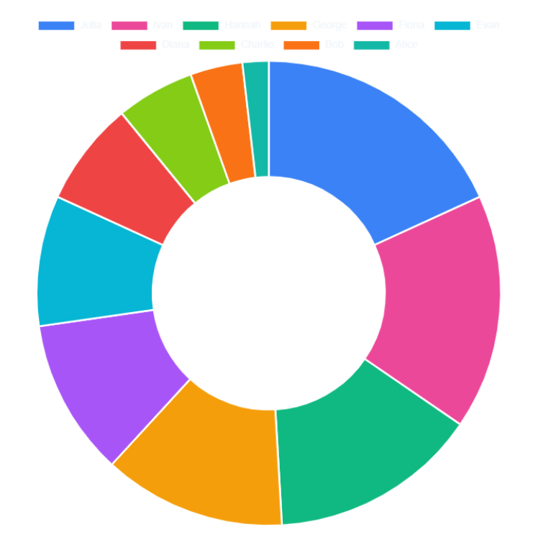
 | Doughnut · by CustomerName

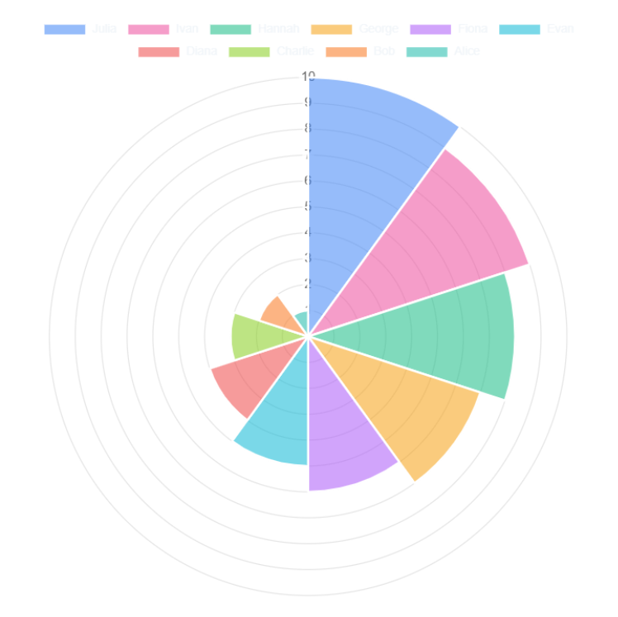
 | Polar Area · by CustomerName

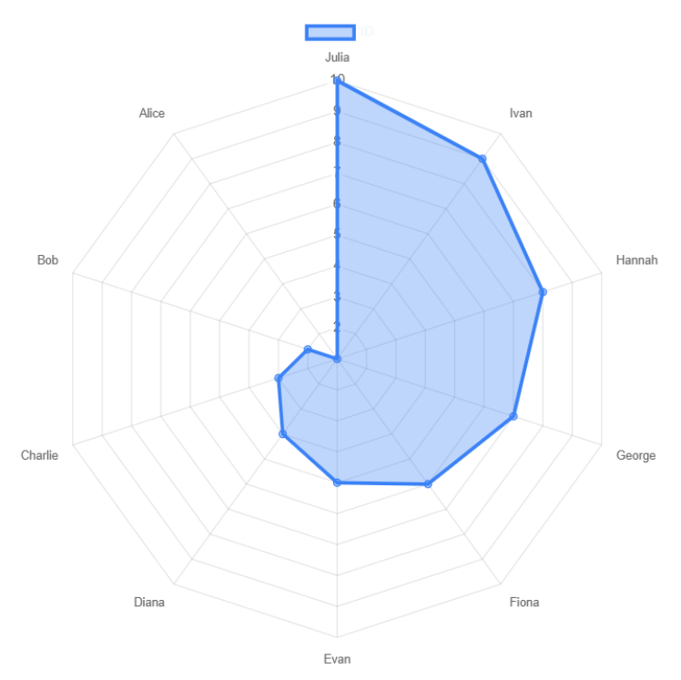
 | Radar · by CustomerName

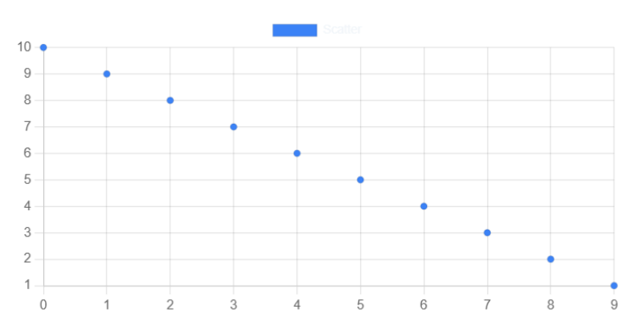
 | Scatter · by CustomerName

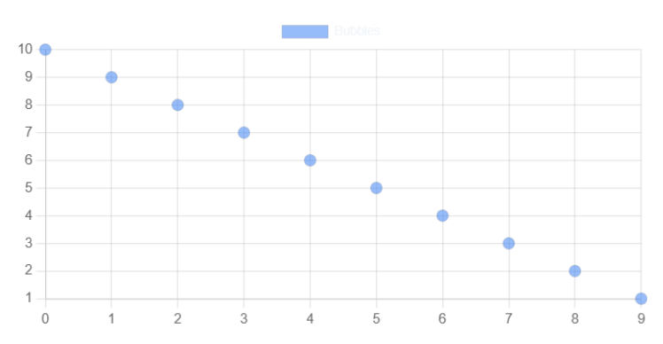
 | Bubble · by CustomerName

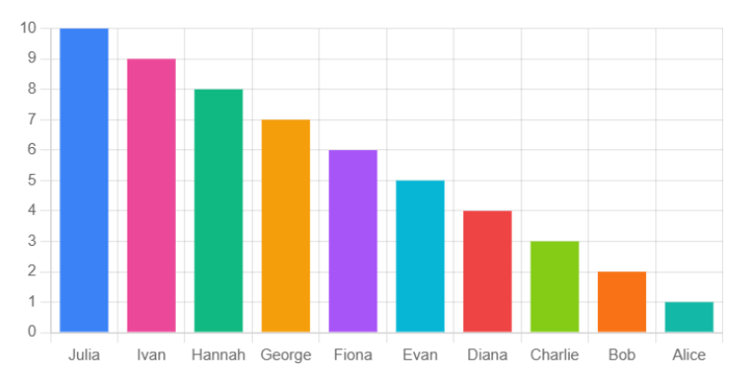
 | Stacked Bar · by CustomerName


 | Grouped Bar · by CustomerName

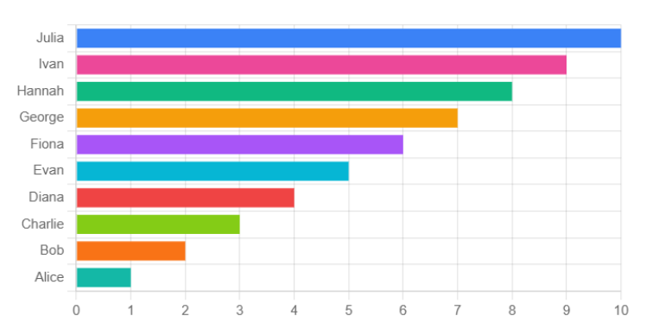
 | Stacked Horizontal · by CustomerName

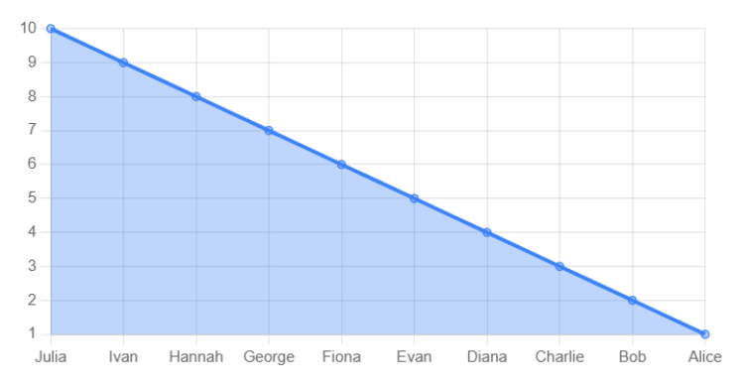
 | Stacked Area · by CustomerName

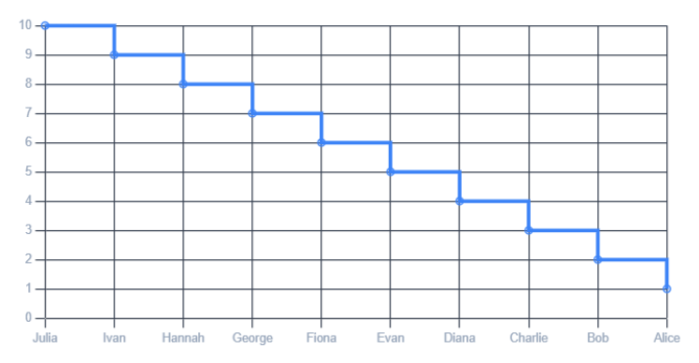
 | Step Line · by CustomerName


 | Smooth Line · by CustomerName

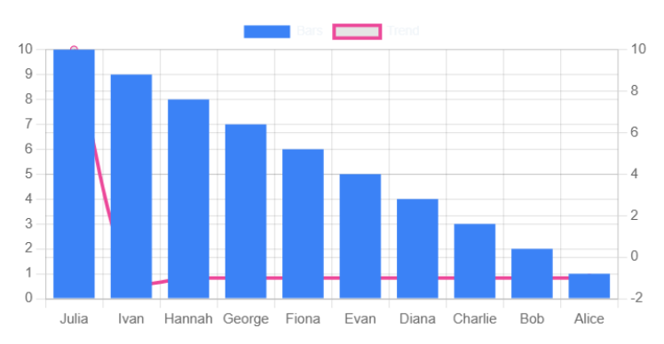
 | Combo (Bar+Line) · by CustomerName

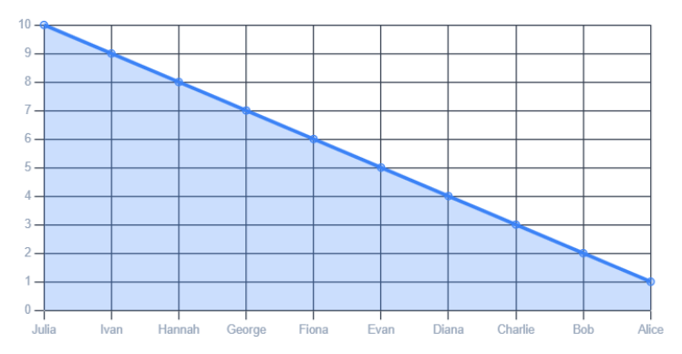
 | Time Series · by CustomerName

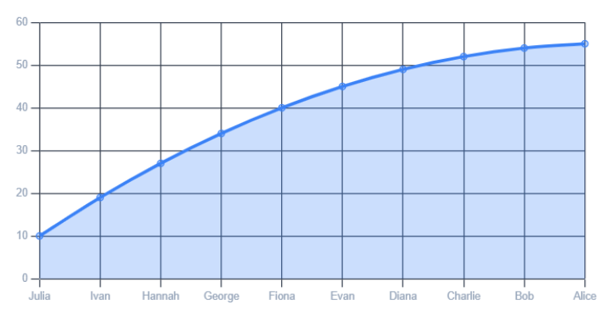
 | Cumulative Line · by CustomerName

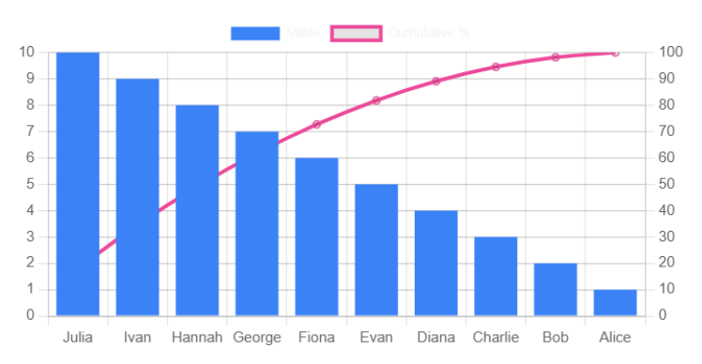
 | Pareto · by CustomerName

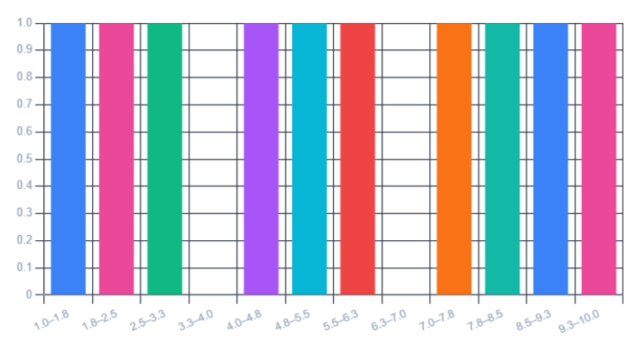
 | Histogram · by CustomerName

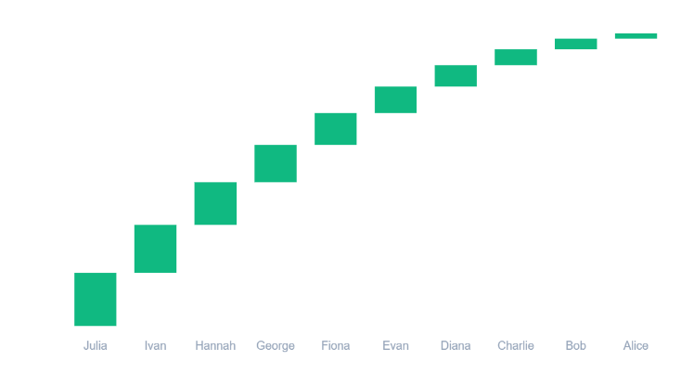
 | Waterfall · by CustomerName

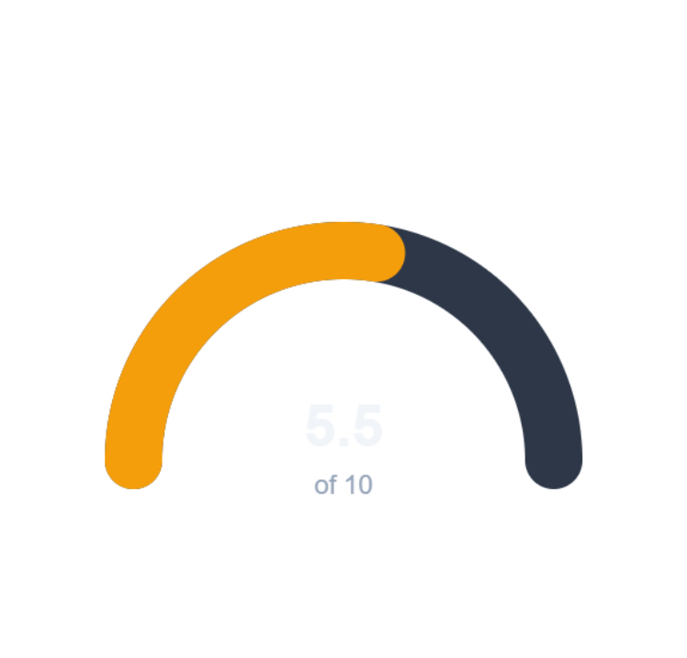
 | Gauge · by CustomerName

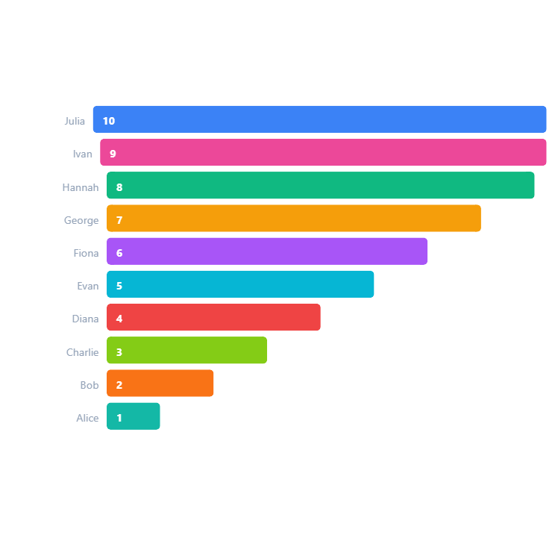
 | Funnel · by CustomerName

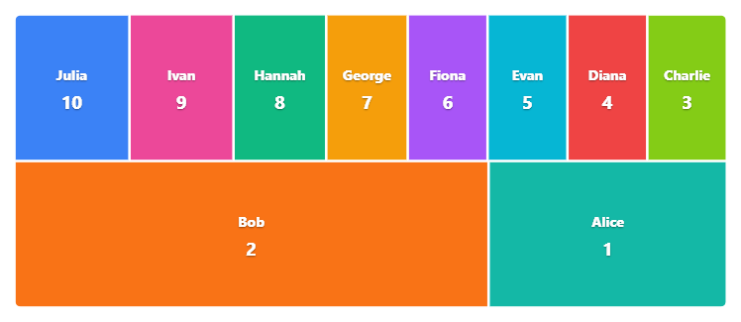
 | Treemap · by CustomerName

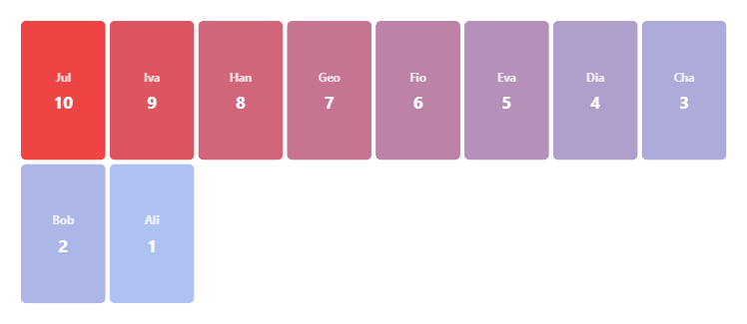
 | Heatmap · by CustomerName

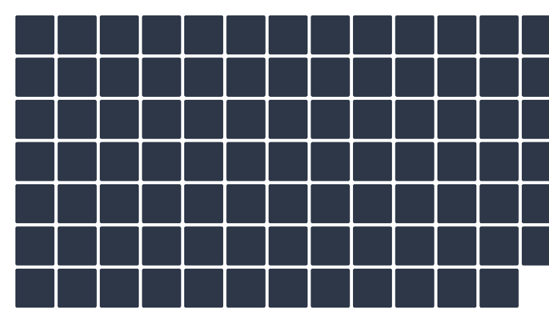
 | Calendar Heatmap · by CustomerName


 | Sparkline · by CustomerName

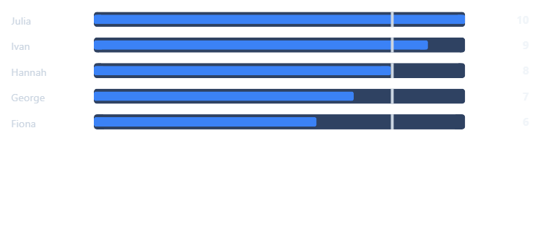
 | Bullet Chart · by CustomerName

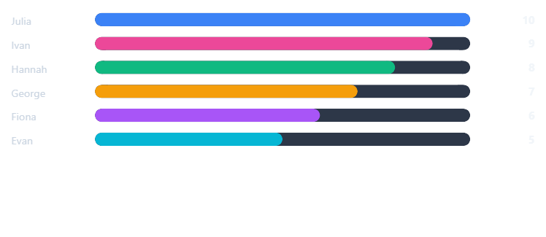
 | Progress Bars · by CustomerName

 | Big Number · ID

 | Metric Card · ID

 | Sparkline Card · ID

 | Data Table · ID


 | Sum Card · ID


 | Box Plot · by CustomerName

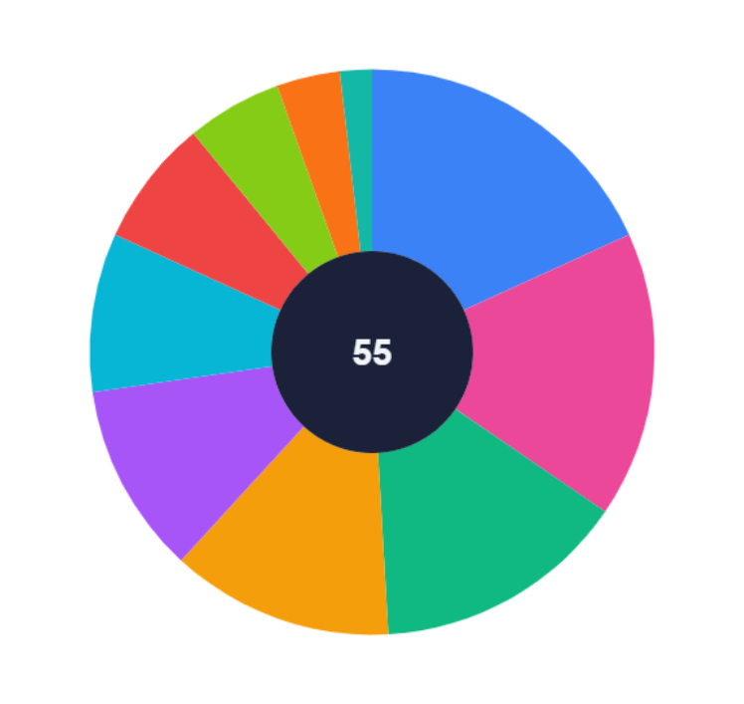
 | Sunburst · by CustomerName

